Assets
Asset

Main Image
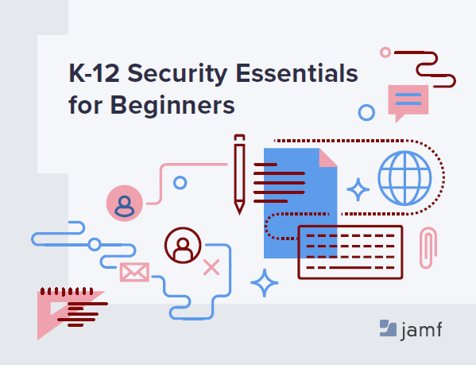

Sponsored by/Powered By Logo

